Source
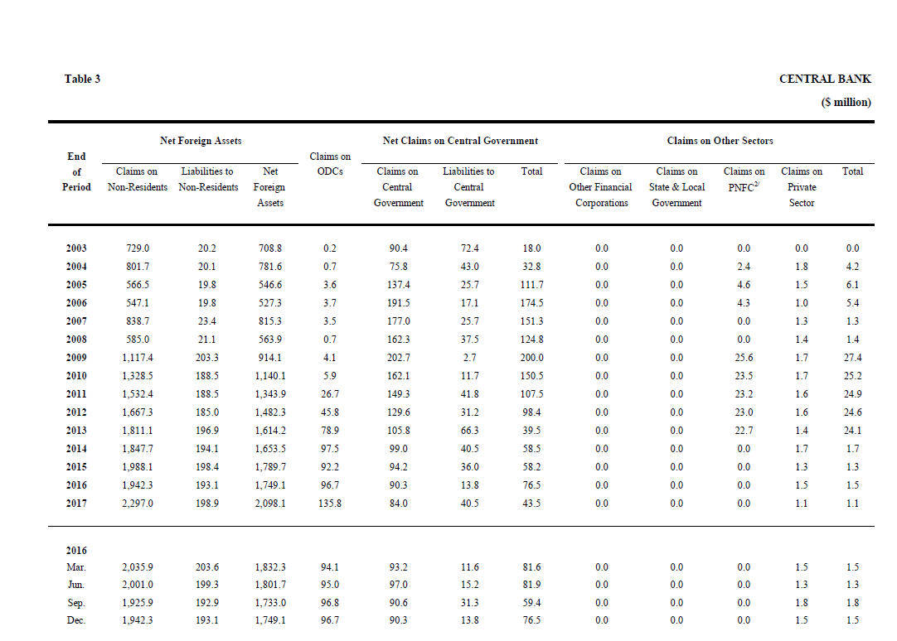
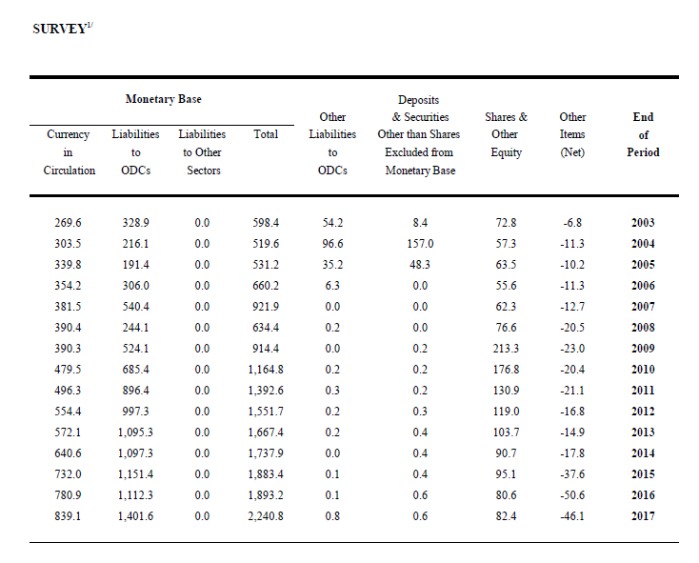
https://www.rbf.gov.fj/getattachment/Publications-(1)/Quarterly-Reviews/Quarterly-Review_March-2018web.pdf?lang=en-US

