Source
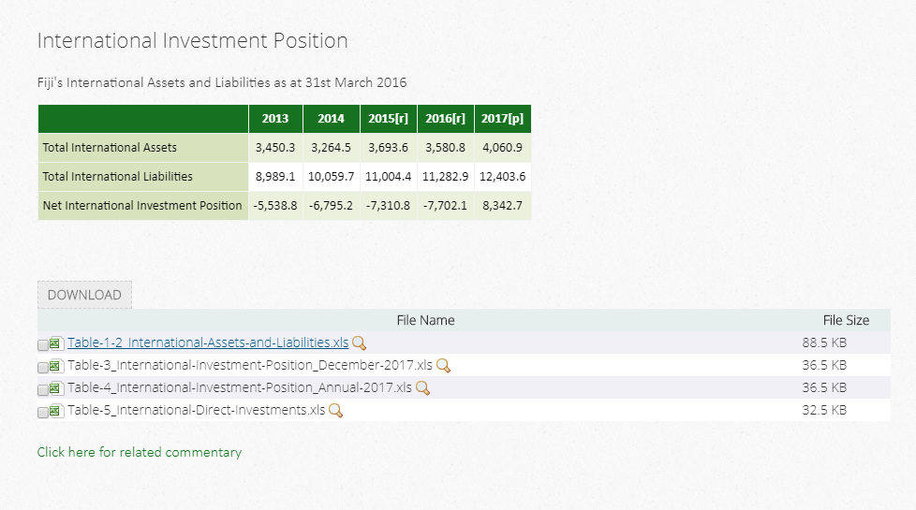
https://www.statsfiji.gov.fj/statistics/economic-statistics/balance-of-payments

Table 1 and 2

