Source
Sugar

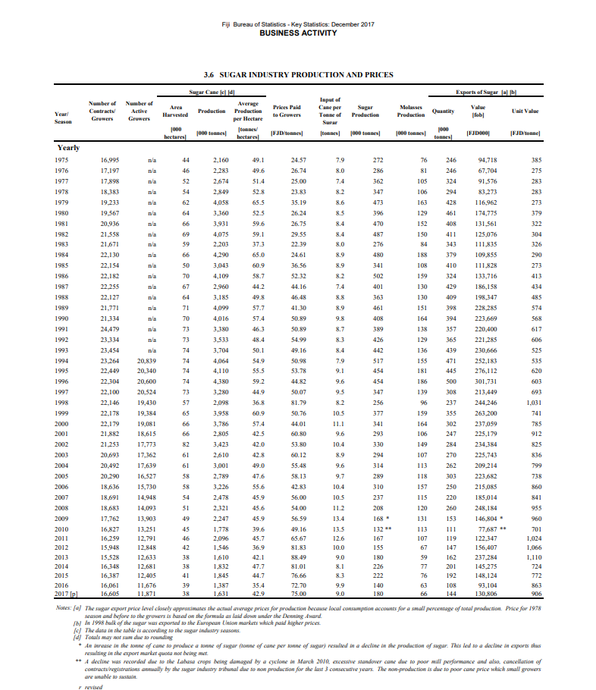

Tourism Monthly

TABLE 2
 |  |  |  | VISITOR ARRIVALS BY COUNTRY OF RESIDENCE

 |  |  | NEW |  |  | UNITED | CONTINENTAL |  | SOUTH |  |  | HONG | REST OF | PACIFIC
YEAR/MONTH |  | AUSTRALIA | ZEALAND | USA | CANADA | KINGDOM | EUROPE | JAPAN | KOREA | CHINA | INDIA | KONG | ASIA | ISLANDS | OTHERS | TOTAL

2013 |  | 339,563 | 108,378 | 54,698 | 12,870 | 16,187 | 30,173 | 7,330 | 4,319 | 23,775 | 2,882 | 978 | 9,849 | 39,625 | 8,239 | 658,866 | [r]
2014 |  | 349,217 | 123,968 | 61,924 | 12,457 | 16,782 | 30,585 | 5,888 | 5,676 | 28,333 | 3,057 | 309 | 9,050 | 39,298 | 6,086 | 692,630 | [p]
2015 |  | 367,273 | 138,537 | 67,831 | 11,709 | 16,716 | 31,195 | 6,092 | 6,700 | 40,174 | 3,352 | 658 | 10,371 | 48,570 | 5,657 | 754,835 | [p]
2016 |  | 360,370 | 163,836 | 69,628 | 11,780 | 16,712 | 31,916 | 6,274 | 8,071 | 49,083 | 3,987 | 458 | 16,113 | 49,741 | 4,351 | 792,320 | [p]
2017 |  | 365,689 | 184,595 | 81,198 | 12,421 | 16,925 | 34,638 | 6,350 | 8,871 | 48,796 | 5,183 | 939 | 18,829 | 53,720 | 4,730 | 842,884 | [p]

2016 | January | 29,137 | 7,997 | 4,520 | 874 | 1,284 | 2,733 | 667 | 650 | 3,680 | 341 | 38 | 856 | 4,561 | 409 | 57,747 | [p]
 | February | 15,705 | 5,559 | 4,237 | 894 | 1,334 | 2,447 | 473 | 503 | 6,123 | 373 | 41 | 1,273 | 5,002 | 381 | 44,345 | [p]
 | March | 26,794 | 8,258 | 5,274 | 1,099 | 1,649 | 2,609 | 496 | 680 | 3,479 | 318 | 33 | 1,453 | 3,404 | 431 | 55,977 | [p]
 | April | 27,190 | 11,342 | 4,538 | 818 | 1,471 | 2,516 | 373 | 596 | 3,543 | 229 | 34 | 1,649 | 3,525 | 335 | 58,159 | [p]
 | May | 27,991 | 11,586 | 5,700 | 810 | 1,291 | 2,434 | 468 | 720 | 3,378 | 341 | 32 | 1,162 | 4,108 | 348 | 60,369 | [p]
 | June | 32,796 | 16,833 | 8,201 | 762 | 1,355 | 2,355 | 441 | 646 | 3,573 | 338 | 7 | 1,462 | 4,026 | 317 | 73,112 | [p]
 | July | 34,162 | 24,376 | 8,311 | 1,393 | 1,683 | 2,700 | 610 | 680 | 5,038 | 297 | 36 | 1,463 | 4,541 | 414 | 85,704 | [p]
 | August | 30,949 | 20,647 | 6,297 | 1,128 | 1,475 | 3,426 | 788 | 632 | 4,986 | 317 | 28 | 1,417 | 3,964 | 293 | 76,347 | [p]
 | September | 35,478 | 17,701 | 4,193 | 655 | 985 | 2,271 | 573 | 609 | 3,828 | 306 | 27 | 1,432 | 3,315 | 385 | 71,758 | [p]
 | October | 35,804 | 14,732 | 5,952 | 1,138 | 1,284 | 2,896 | 386 | 761 | 4,377 | 342 | 46 | 1,395 | 4,194 | 288 | 73,595 | [p]
 | November | 28,234 | 11,633 | 5,847 | 1,154 | 1,379 | 2,776 | 471 | 794 | 3,860 | 341 | 43 | 1,224 | 4,366 | 366 | 62,488 | [p]
 | December | 36,130 | 13,172 | 6,558 | 1,055 | 1,522 | 2,753 | 528 | 800 | 3,218 | 444 | 93 | 1,327 | 4,735 | 384 | 72,719 | [p]

2017 | January | 30,128 | 9,251 | 5,533 | 918 | 1,349 | 2,849 | 587 | 749 | 5,908 | 353 | 30 | 1,385 | 5,435 | 468 | 64,943 | [p]
 | February | 15,603 | 6,228 | 5,538 | 896 | 1,325 | 2,295 | 720 | 633 | 4,071 | 426 | 53 | 1,026 | 4,712 | 350 | 43,876 | [p]
 | March | 23,489 | 8,253 | 6,068 | 1,154 | 1,553 | 2,754 | 460 | 732 | 3,481 | 409 | 35 | 1,755 | 3,881 | 383 | 54,407 | [p]
 | April | 30,951 | 13,804 | 5,922 | 1,099 | 1,449 | 3,450 | 467 | 634 | 3,875 | 396 | 76 | 2,035 | 3,928 | 409 | 68,495 | [p]
 | May | 28,039 | 14,465 | 6,002 | 1,054 | 1,189 | 2,622 | 441 | 640 | 3,499 | 474 | 73 | 1,580 | 3,979 | 310 | 64,367 | [p]
 | June | 32,833 | 18,590 | 9,167 | 865 | 1,465 | 2,314 | 407 | 733 | 3,712 | 430 | 58 | 1,610 | 4,152 | 262 | 76,598 | [p]
 | July | 34,584 | 26,448 | 9,525 | 1,319 | 1,961 | 3,006 | 564 | 703 | 4,834 | 475 | 82 | 1,711 | 4,547 | 349 | 90,108 | [p]
 | August | 32,908 | 23,106 | 7,165 | 1,290 | 1,296 | 3,421 | 836 | 672 | 4,816 | 404 | 91 | 1,617 | 4,330 | 364 | 82,316 | [p]
 | September | 36,323 | 19,099 | 5,795 | 792 | 1,183 | 2,295 | 655 | 803 | 3,650 | 329 | 96 | 1,330 | 4,312 | 367 | 77,029 | [p]
 | October | 34,359 | 18,564 | 6,756 | 1,053 | 1,296 | 3,455 | 410 | 968 | 4,237 | 381 | 79 | 1,751 | 4,344 | 511 | 78,164 | [p]
 | November | 29,686 | 12,214 | 6,465 | 993 | 1,243 | 3,036 | 394 | 771 | 3,201 | 532 | 26 | 1,383 | 4,847 | 360 | 65,151 | [p]
 | December | 36,786 | 14,573 | 7,262 | 988 | 1,616 | 3,141 | 409 | 833 | 3,512 | 574 | 240 | 1,646 | 5,253 | 597 | 77,430 | [p]

2018 | January | 28,313 | 10,612 | 5,617 | 1,000 | 1,321 | 2,952 | 505 | 792 | 3,757 | 480 | 53 | 1,279 | 5,529 | 438 | 62,648 | [p]
 | February | 17,014 | 6,641 | 5,951 | 993 | 1,252 | 2,682 | 510 | 553 | 6,567 | 523 | 67 | 1,088 | 4,416 | 541 | 48,798 | [p]
 | March | 25,196 | 9,868 | 7,264 | 1,196 | 1,474 | 2,706 | 427 | 720 | 3,897 | 515 | 192 | 2,063 | 4,112 | 428 | 60,058 | [p]
 | April | 26,809 | 13,731 | 6,170 | 908 | 1,261 | 2,763 | 438 | 760 | 3,783 | 469 | 61 | 2,033 | 3,926 | 423 | 63,535 | [p]
 | May | 29,730 | 14,383 | 7,059 | 834 | 1,239 | 3,013 | 391 | 598 | 3,447 | 574 | 97 | 1,789 | 3,725 | 411 | 67,290 | [p]
 | June | 32,785 | 22,404 | 9,962 | 1,099 | 1,239 | 2,431 | 336 | 683 | 3,604 | 543 | 53 | 1,723 | 4,450 | 341 | 81,653 | [p]

 | Note :1. As from January 2011, Hong Kong and India were seperated from Rest of Asia, while Taiwan was included; 2. [p] provisional, [r] revised

TABLE 3
VISITOR ARRIVALS BY PURPOSE OF VISIT

 |  |  |  |  | VISITING
 |  |  | OFFICIAL |  | FRIENDS/ | EDUCATION/
PERIOD |  | BUSINESS | CONFERENCE | HOLIDAY | RELATIVES | TRAINING | OTHERS | TOTAL

2013 |  | 12,088 | 13,338 | 499,568 | 42,130 | 7,655 | 84,087 | 658,866 | [r]
2014 |  | 21,011 | 10,215 | 536,636 | 43,235 | 5,862 | 75,671 | 692,630 | [p]
2015 |  | 25,048 | 12,442 | 594,749 | 46,794 | 6,662 | 69,140 | 754,835 | [p]
2016 |  | 32,922 | 13,993 | 600,887 | 68,262 | 7,559 | 68,697 | 792,320 | [p]
2017 |  | 33,222 | 14,708 | 630,700 | 74,492 | 8,541 | 81,221 | 842,884 | [p]

2016 | January | 1,863 | 368 | 44,512 | 3,929 | 1,151 | 5,924 | 57,747 | [p]
 | February | 2,616 | 537 | 31,232 | 3,327 | 1,688 | 4,945 | 44,345 | [p]
 | March | 2,765 | 633 | 41,538 | 5,170 | 399 | 5,472 | 55,977 | [p]
 | April | 3,622 | 1,014 | 42,620 | 5,713 | 371 | 4,819 | 58,159 | [p]
 | May | 2,906 | 1,410 | 44,839 | 5,207 | 489 | 5,518 | 60,369 | [p]
 | June | 2,769 | 1,472 | 57,300 | 5,148 | 583 | 5,840 | 73,112 | [p]
 | July | 2,198 | 1,098 | 66,052 | 8,147 | 805 | 7,404 | 85,704 | [p]
 | August | 3,532 | 2,023 | 57,612 | 7,079 | 562 | 5,539 | 76,347 | [p]
 | September | 2,855 | 1,647 | 56,926 | 4,755 | 517 | 5,058 | 71,758 | [p]
 | October | 3,059 | 1,399 | 57,318 | 5,323 | 344 | 6,152 | 73,595 | [p]
 | November | 2,837 | 1,629 | 46,320 | 6,002 | 470 | 5,230 | 62,488 | [p]
...
2018 | January | 2,154 | 343 | 45,560 | 5,306 | 1,506 | 7,779 | 62,648 | [p]
 | February | 2,173 | 1,095 | 35,319 | 3,631 | 1,327 | 5,253 | 48,798 | [p]
 | March | 2,744 | 1,030 | 44,963 | 4,560 | 432 | 6,329 | 60,058 | [p]
 | April | 2,278 | 1,144 | 47,748 | 5,335 | 363 | 6,667 | 63,535 | [p]
 | May | 2,390 | 998 | 51,311 | 5,643 | 461 | 6,487 | 67,290 | [p]
 | June | 2,537 | 1,489 | 62,899 | 7,442 | 729 | 6,557 | 81,653 | [p]

 | Note: 1. [p] provisional, [r] revised

Tourism Quarterly

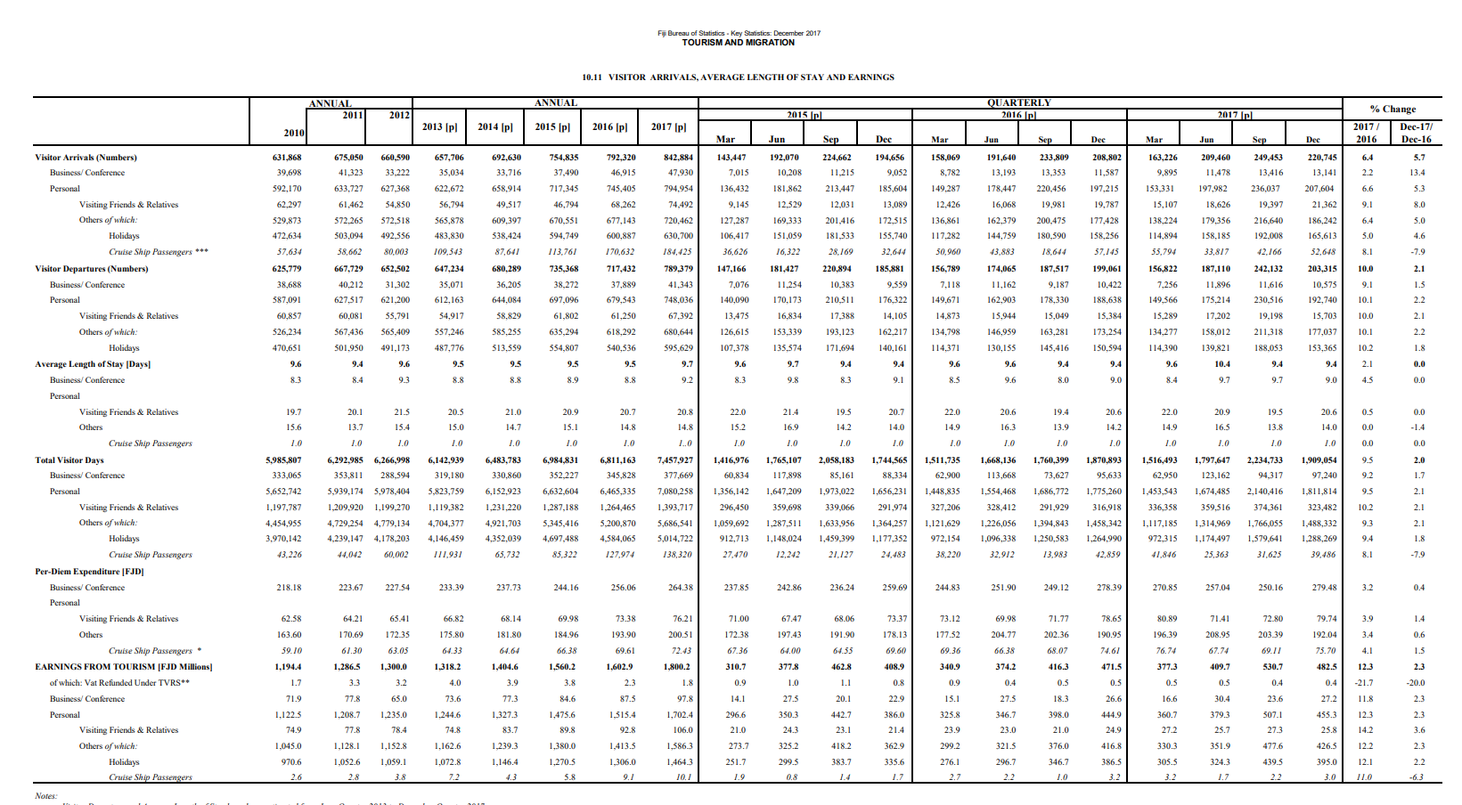

Hotel Statistics

