Source
Population by age

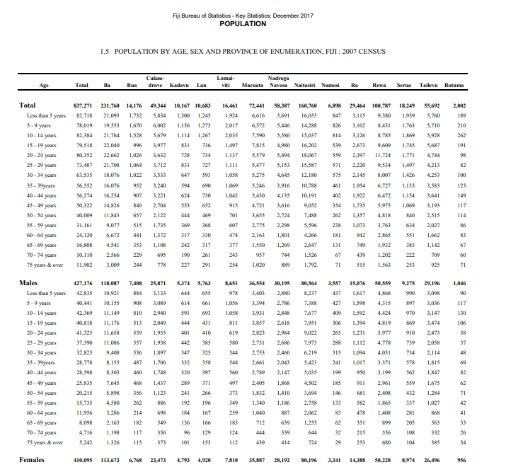

Rural Population

Urban Population

